Class Diagram
UserBean
(Class)
Flight Bean
(Class)
Flight Schedule (Class)

Admin Bean (Class)
Customer Bean (Class)
Carrier Bean
(Class)
Flight Booking (Class)

FlightDao
(Abstract Class or Interface)
CarrierDao
(Abstract Class or Interface)

FlightDAOArrayListImplemetation
FlightDAOMapImplementation
FlightDAODatabaseImplementation
CarrierDAOArrayListImplemetation
CarrierDAODatabaseImplementation

FlightScheduleDao
(Abstract Class or Interface)
FlightBookingDao
(Abstract Class or Interface)

FlightDAOArrayListImplemetation
(Class)
FlightDAODatabase
Implementation
(Class)
FlightDAOArrayListImplemetation
(Class)
FlightDAODatabase
Implementation
(Class)

Architecture and Design Pattern
Java Design Patterns
MVC Design Pattern - Mandatory - This design pattern used for building web applications. It is a layout pattern used to isolate the information, presentation logic, business logic
DAO Design Pattern - Mandatory - Used to Segregate Database code to separate Layer (DAO Componenet Layer). Ensure database code is used in UI (JSP) and Controller (Servlet) Component
Factory Design Pattern - Optional ( Try to create object factories for each DAO Implementaiton (Array, ArrayList and Database Implementations
Singleton Design Pattern - Optional ( Try to implement Singleton design patter so that only 1 database connection object is used for entire application

MVC Architecture

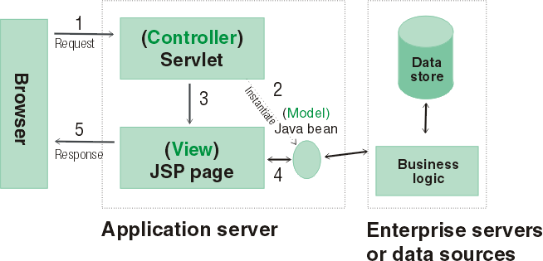
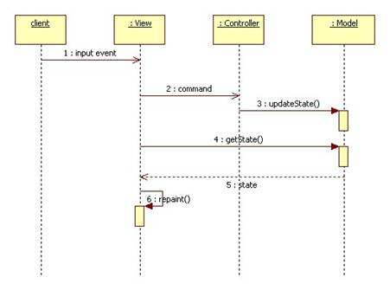

DAO Design Pattern

Factory Design Pattern

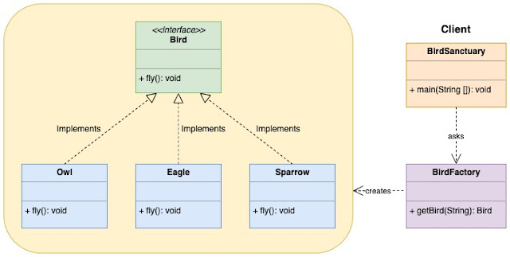

Singleton Design Pattern

